Volume Calculations
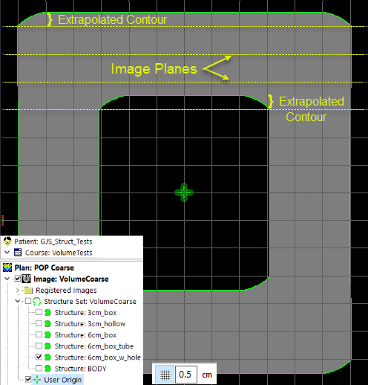
Structure | Volume [cm³] | Equiv. Sphere Diam. [cm] | Dimensions |  |  | Slice Spacing | Ideal volume | Extrapolated volume | Relative Volume | Calculated Volumes | Difference
 |  |  | Lateral (X) | AP (Y) | SI (Z)
BODY | 1009.8 | 12.4 | 10.0 | 10.0 | 10.0 | 0.1 | 1000.0 | 1010.0 |  |  | -1% | 0%
6cm_box | 220.6 | 7.5 | 6.0 | 6.0 | 6.0 | 0.1 | 216.0 | 219.6 |  |  | -2% | 0%
3cm_hollow | 96.2 | 5.7 | 3.0 | 3.0 | 10.0 | 0.1 | 90.0 | 90.9 |  |  | -6% | -6%
3cm_box | 29.4 | 3.8 | 3.0 | 3.0 | 3.0 | 0.1 | 27.0 | 27.9 |  | 27.6 | -8% | -5% |  | -6% | single_box_example
6cm_box_w_hole | 189.1 | 7.1 |  |  |  | 0.1 | 189.0 | 191.7 | 191.2 | 190.7 | 0% | 1% | 1% | 1% | box_with_hole_example
6cm_box_tube | 160.0 | 6.7 |  |  |  | 0.1 | 162.0 | 164.7 | 162.9 | 163.7 | 1% | 3% | 2% | 2% | square_tube_example

 | Volume [cm³] | Equiv. Sphere Diam. [cm] | Dimensions |  |  | Slice Spacing | Ideal volume | Extrapolated volume | Relative Volume | Calculated Volumes | Difference
 |  |  | Lateral (X) | AP (Y) | SI (Z)
BODY | 1045.5 | 12.6 | 10.0 | 10.0 | 10.0 | 0.5 | 1000.0 | 1050.0 |  |  | -4% | 0%
6cm_box | 233.5 | 7.6 | 6.0 | 6.0 | 6.0 | 0.5 | 216.0 | 234.0 |  |  | -7% | 0%
3cm_hollow | 99.0 | 4.0 | 3.0 | 3.0 | 10.0 | 0.5 | 90.0 | 94.5 |  |  | -9% | -5%
3cm_box | 32.4 | 5.7 | 3.0 | 3.0 | 3.0 | 0.5 | 27.0 | 31.5 |  | 29.8 | -17% | -3% |  | -8% | single_box_example
6cm_box_w_hole | 198.6 | 6.8 |  |  |  | 0.5 | 189.0 | 202.5 | 201.1 | 197.4 | -5% | 2% | 1% | -1% | box_with_hole_example
6cm_box_tube | 168.0 | 7.2 |  |  |  | 0.5 | 162.0 | 175.5 | 174.1 | 170.4 | -4% | 4% | 4% | 1% | square_tube_example

